Hoja1
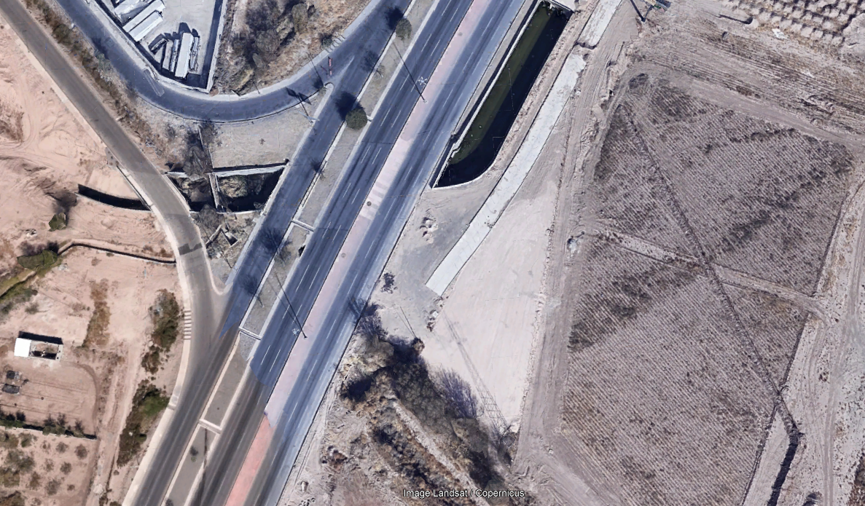
3
Hr/Mov | 1_2 |  |  | 3_1
 | A | B | C | A | B | C
7:00 AM - 7:15 AM | 57 | 0 | 0 | 26 | 2 | 1
7:15 AM - 7:30 AM | 229 | 0 | 0 | 31 | 6 | 4
2
7:30 AM - 7:45 AM | 246 | 0 | 0 | 45 | 3 | 5
7:45 AM - 8:00 AM | 214 | 0 | 0 | 43 | 3 | 8
TOTAL | 746 | 0 | 0 | 145 | 14 | 18
TOTALES | 746 |  |  | 177
BLVD. INDEPENDENCIA

1

